Sheet1
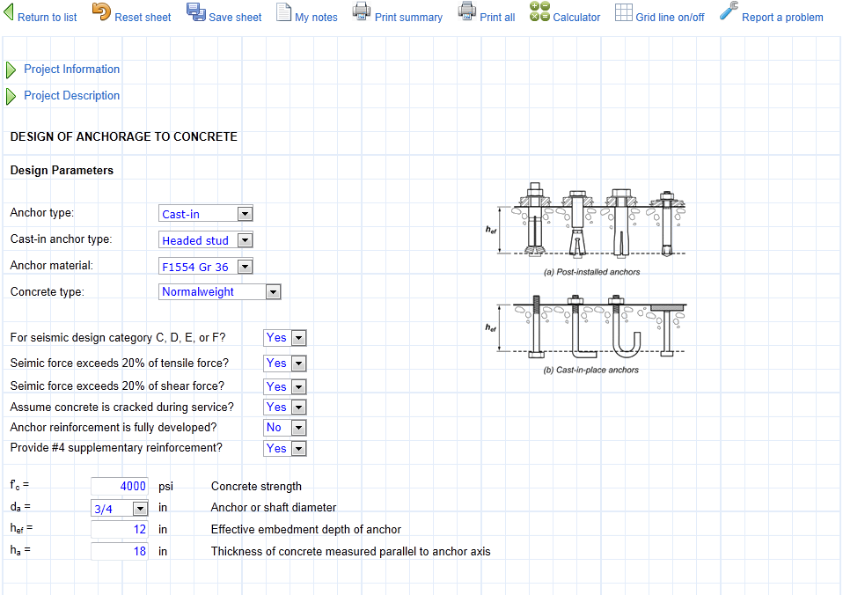
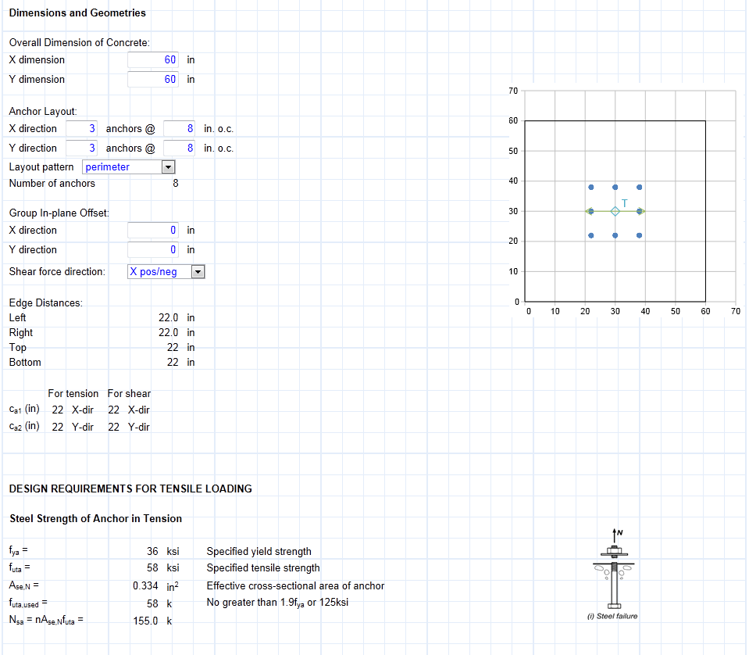
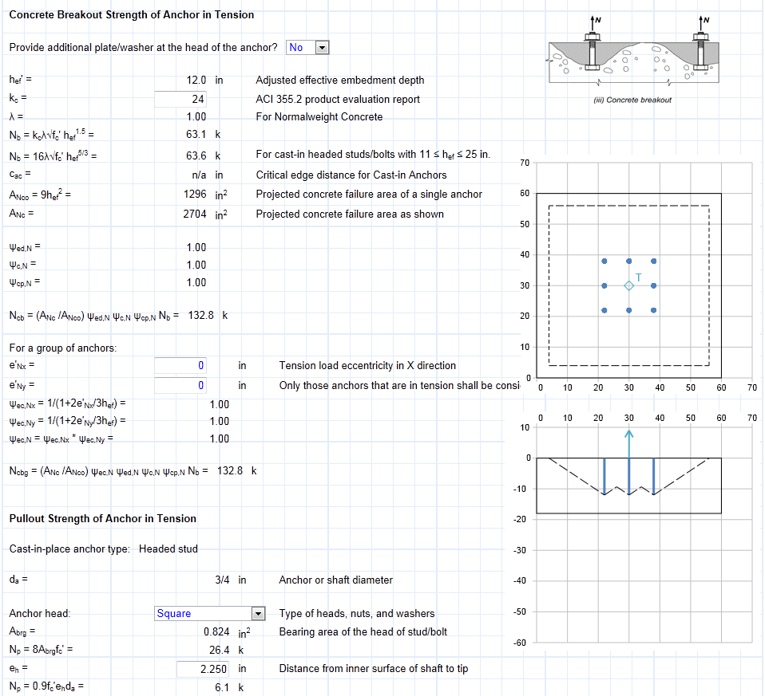
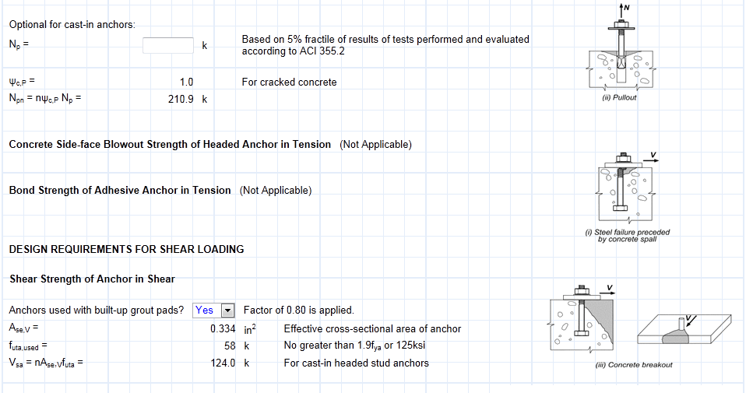
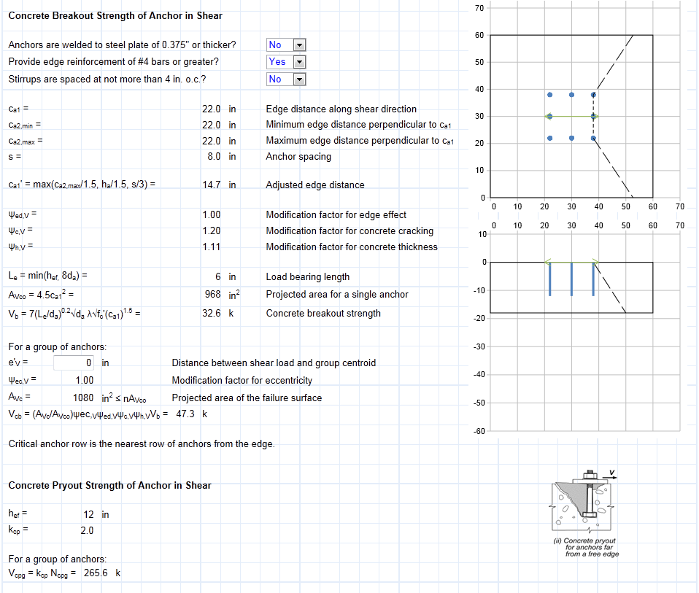
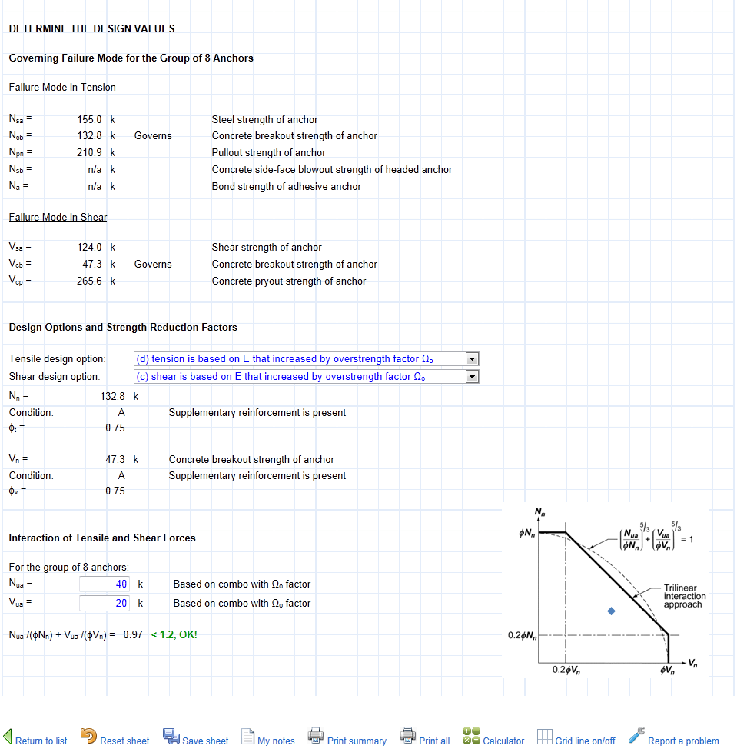
Following is a screenshot of an interactive design sheet from website
www.SEsheets.com | providing powerful tools for structural engineers.

If you do not have an account, you can register an account for free.
All sheets are free during trial period. Many of them are always free.

